Sheet1
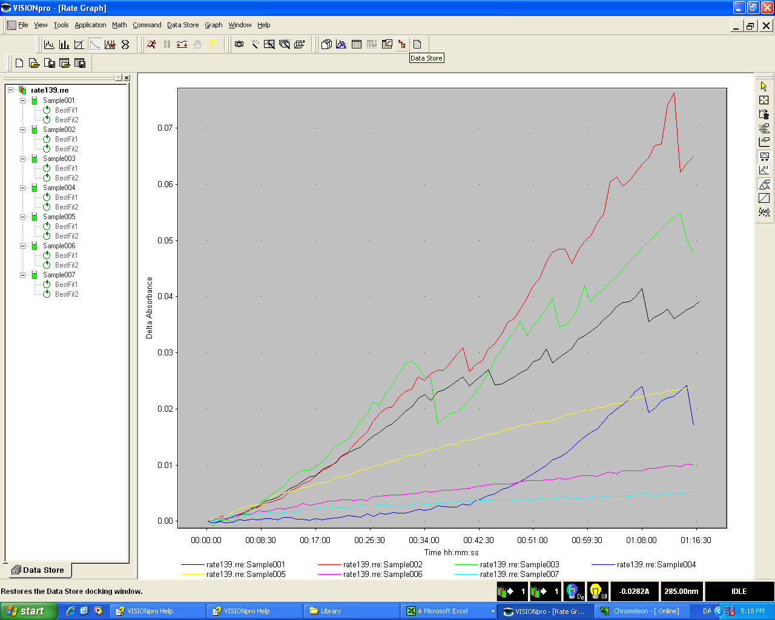
exp. # | 139 |  |  |  | Buf 1. | Na4P2O7*10H2O
substrate | BnOH |  |  |  | M.W. [g/mol] | 446.0600
method: | BnOH_7kuv_8h |  |  |  | Buf 2. | Na2HPO4*2H2O
dt [s] | 60 |  |  |  | M.W. [g/mol] | 156.0200
abs [nm] | 285 |  |  |  | Calculator a.
e [U/mM] | 1.23 |  |  |  | target vol. [ml] | target M [mmol/l] | Buf. [g]
T | 25 C |  |  |  | 100.0000 | 1000.0000 | 44.6060
 |  |  |  |  | Stam 1:
stam 1: |  |  |  |  | Buf 1. [g] | 30.1495
M.W. [g/mol] | 108.14 |  |  |  | final vol. [ml] | 500.000
[g] | 0.2924 |  |  |  | [Buf 1] mmol/l | 135.1814
final Vol. [ml] | 100 |  |  |  | Stam 2:
[sub] mmol/L | 27.039 |  |  |  | Buf 2. [g] | 39.0052
D2O % | 0 |  |  |  | final vol. [ml] | 500.000
opløsning 1: |  |  |  |  | [Buf 2] mmol/l | 500.0026
# | Stam. [ml] | final vol. [ml] | mmol/L |  | Calculator b.
a1 | 25.000 | 25.000 | 27.039 |  | target vol. [ml] | target M [mmol/l] | Stam 1 ml
b1 | 7.000 | 25.000 | 7.571 |  | 100.0000 | 100.0000 | 73.9747
c1 | 2.000 | 25.000 | 2.163 |  |  |  | Stam 2 ml
d1 | 0.500 | 25.000 | 0.541 |  |  |  | 19.9999
D2O % | 0.000 |  |  |  | Stam 1+2:
 |  |  |  |  | Vol. Buf 1 [ml] | 74.000
Stam 2: | 30 % H2O2 |  |  |  | Vol. Buf 2 [ml] | 20.000
density g/L | 1110.0000 |  |  |  | final vol. [ml] | 100.000
mmol/l | 9789.8850 |  |  |  | [Buf 1] mmol/l | 100.0342
Stam [ml] | 1.000 |  |  |  | [Buf 2] mmol/l | 100.0005
solvent vol. [ml] | 0.000 |  |  |  | Fortynding |  | pH before run.
[H2O2] mmol/l | 9789.8850 |  |  |  | Stam 1+2 [ml] | 9.000 | 8.48
D2O % | 0.0000 |  |  |  | final vol. [ml] | 12.000 | pH after run.
opløsning 2: |  |  |  |  | [buf 1+2] mmol/l | 150.0260 | 8.53
# | Stam. [ml] | final vol. [ml] | mmol/L
a2 | 1.000 | 10.000 | 978.988 |  | Solvent:
b2 | 0.500 | 10.000 | 489.494 |  | H2O [ml] | 0.0000
c2 | 0.100 | 10.000 | 97.899 |  | D2O [ml] | 1.0000
d2 | 0.050 | 10.000 | 48.949 |  | D2O % | 0.0000
D2O % | 0.000
 |  |  |  |  | Enz:
 |  |  |  |  | g/mol | 1054.2900
 |  |  |  |  | g | 0.0058
 |  |  |  |  | ml | 4.000
 |  |  |  |  | mmol/l | 1.3753
 |  |  |  |  | D2O % | 0.0000

Kuv. | solvent | Enz [ml] | Buf [ml] | Sub [ml] | H2O2 [ml] | Vol [ml] | [sub] mmol/l | [H2O2] mmol/l | [Enz] mmol/l | [buf] mmol/l | [D2O]%
Kuv. 1 (a1,a2) | 0.000 | 0.025 | 0.500 | 0.400 | 0.075 | 1.000 | 10.816 | 73.424 | 0.034 | 75.013 | 0.000
Kuv. 2 (b1,a2) | 0.000 | 0.025 | 0.500 | 0.400 | 0.075 | 1.000 | 3.028 | 73.424 | 0.034 | 75.013 | 0.000
Kuv. 3 (c1,a2) | 0.000 | 0.025 | 0.500 | 0.400 | 0.075 | 1.000 | 0.865 | 73.424 | 0.034 | 75.013 | 0.000
Kuv. 4 (d1,a2) | 0.000 | 0.025 | 0.500 | 0.400 | 0.075 | 1.000 | 0.216 | 73.424 | 0.034 | 75.013 | 0.000
Kuv. 5 (a1,b2) | 0.000 | 0.025 | 0.500 | 0.400 | 0.075 | 1.000 | 10.816 | 36.712 | 0.034 | 75.013 | 0.000
Kuv. 6 (a1,c2) | 0.000 | 0.025 | 0.500 | 0.400 | 0.075 | 1.000 | 10.816 | 7.342 | 0.034 | 75.013 | 0.000
Kuv. 7 (a1,d2) | 0.000 | 0.025 | 0.500 | 0.400 | 0.075 | 1.000 | 10.816 | 3.671 | 0.034 | 75.013 | 0.000
Ref. 1 (a1,a2) | 0.050 | 0.000 | 1.000 | 0.800 | 0.150 | 2.000 | 10.816 | 73.424 | 0.000 | 75.013 | 0.000
Ref. 2 (b1,a2) | 0.050 | 0.000 | 1.000 | 0.800 | 0.150 | 2.000 | 3.028 | 73.424 | 0.000 | 75.013 | 0.000
Ref. 3 (c1,a2) | 0.050 | 0.000 | 1.000 | 0.800 | 0.150 | 2.000 | 0.865 | 73.424 | 0.000 | 75.013 | 0.000
Ref. 4 (d1,a2) | 0.050 | 0.000 | 1.000 | 0.800 | 0.150 | 2.000 | 0.216 | 73.424 | 0.000 | 75.013 | 0.000
Ref. 5 (a1,b2) | 0.050 | 0.000 | 1.000 | 0.800 | 0.150 | 2.000 | 10.816 | 36.712 | 0.000 | 75.013 | 0.000
Ref. 6 (a1,c2) | 0.050 | 0.000 | 1.000 | 0.800 | 0.150 | 2.000 | 10.816 | 7.342 | 0.000 | 75.013 | 0.000
Ref. 7 (a1,d2) | 0.050 | 0.000 | 1.000 | 0.800 | 0.150 | 2.000 | 10.816 | 3.671 | 0.000 | 75.013 | 0.000
Sum: | 0.3500 | 0.1750 | 10.5000 | 8.4000 | 1.5750 | 17.0000
Sum*9: | 3.1500 | 1.5750 | 94.5000 | 75.6000 | 14.1750 | 153.0000 |  | Procedure

Rates: | [Sub] mM | [H2O2] mM | V 10^6[U/dt] | V 10^6[mM/s] | V/E 10^6[1/s] |  |  | Fitted values: |  | 95 % conf.
Kuv. 1 | 10.82 | 73.42 | 729.10 | 9.88 | 287.33 |  |  | Km(H2O2) [mM] | 0.00
Kuv. 2 | 3.03 | 73.42 | 1365.02 | 18.50 | 537.94 |  |  | Vmax(H2O2) 10^6[1/s] | 0.00 |  |  | 600.0000
Kuv. 3 | 0.87 | 73.42 | 929.53 | 12.60 | 366.32 |  |  | C(H2O2) [mM] | 0.00
Kuv. 4 | 0.22 | 73.42 | 872.77 | 11.83 | 343.95 |  |  | Km(Sub) [mM] | 0.00
Kuv. 5 | 10.82 | 36.71 | 275.83 | 3.74 | 108.70 |  |  | Vmax(Sub) 10^6[1/s] | 0.00
Kuv. 6 | 10.82 | 7.34 | 114.60 | 1.55 | 45.16 |  |  | C(Sub) [mM] | 0.00
Kuv. 7 | 10.82 | 3.67 | 34.54 | 0.47 | 13.61 |  |  | pH | 8.51
 |  |  |  |  |  |  |  | [Buf] mmol/L | 75.01

 | Fitting vectors: |  |  |  | Fitting vectors:
 | [Sub] mM | 10.82 |  |  | [H2O2] mM | 73.42
 | Kuv # | [H2O2] mM | V/E 10^6[1/s] |  | Kuv # | [Sub] mM | V/E 10^6[1/s]
 | 7 | 3.67 | 2.04E-06 |  | 4 | 0.22 | -5.0E-06
 | 6 | 7.34 | 3.57E-06 |  | 3 | 0.87 | 4.8E-06
 | 5 | 36.71 | 6.99E-06 |  | 2 | 3.03 | 5.6E-06
 | 1 | 73.42 | 1.02E-05 |  | 1 | 10.82 | 1.0E-05

 | Kinetics Experiment - 139
 | Conc. Units
 | Raw Data
 | Sample | [S] | [I] | V | Use
 | Sample001 | 0.0000 | 0.0000 | 0.0007291 | Yes
 | Sample002 | 0.0000 | 0.0000 | 0.0013650 | Yes
 | Sample003 | 0.0000 | 0.0000 | 0.0009295 | Yes
 | Sample004 | 0.0000 | 0.0000 | 0.0008728 | Yes
 | Sample005 | 0.0000 | 0.0000 | 0.0002758 | Yes
 | Sample006 | 0.0000 | 0.0000 | 0.0001146 | Yes
 | Sample007 | 0.0000 | 0.0000 | 0.0000345 | Yes
 | Sample008 | 0.0000 | 0.0000 | 0.0000000 | No

 | rates are taken from ca. 00:34 to 01:15

Sheet2
Batch | rate139.rre
Evolution 600 | 161008.0000
Sample | Sample001 | Sample | Sample002 | Sample | Sample003 | Sample | Sample004 | Sample | Sample005 | Sample | Sample006 | Sample | Sample007
Data Mode | A | Data Mode | A | Data Mode | A | Data Mode | A | Data Mode | A | Data Mode | A | Data Mode | A
Smoothing | None | Smoothing | None | Smoothing | None | Smoothing | None | Smoothing | None | Smoothing | None | Smoothing | None
Date Collected | 40425.0000 | Date Collected | 40425.0000 | Date Collected | 40425.0000 | Date Collected | 40425.0000 | Date Collected | 40425.0000 | Date Collected | 40425.0000 | Date Collected | 40425.0000
Time Collected | 4:56:15PM | Time Collected | 3:39:17PM | Time Collected | 3:39:25PM | Time Collected | 3:39:32PM | Time Collected | 3:39:39PM | Time Collected | 3:39:47PM | Time Collected | 3:39:54PM
ss.sss | Value | ss.sss | Value | ss.sss | Value | ss.sss | Value | ss.sss | Value | ss.sss | Value | ss.sss | Value
0.0000 | 0.0000 | 0.0000 | -0.0160 | 0.0000 | -0.0170 | 0.0000 | -0.0150 | 0.0000 | 0.0010 | 0.0000 | -0.0200 | 0.0000 | -0.0170
...
 |  |  | -0.0150 | 300.0000 | -0.0160 | 300.0000 | -0.0150 | 300.0000 | 0.0030 | 300.0000 | -0.0190 | 300.0000 | -0.0160
 |  |  | -0.0140 | 360.0000 | -0.0150 | 360.0000 | -0.0150 | 360.0000 | 0.0040 | 360.0000 | -0.0190 | 360.0000 | -0.0160
 |  |  | -0.0140 | 420.0000 | -0.0150 | 420.0000 | -0.0140 | 420.0000 | 0.0040 | 420.0000 | -0.0190 | 420.0000 | -0.0160
 |  |  | -0.0130 | 480.0000 | -0.0140 | 480.0000 | -0.0150 | 480.0000 | 0.0040 | 480.0000 | -0.0180 | 480.0000 | -0.0160
 |  |  | -0.0130 | 540.0000 | -0.0130 | 540.0000 | -0.0140 | 540.0000 | 0.0040 | 540.0000 | -0.0180 | 540.0000 | -0.0160
 |  |  | -0.0130 | 600.0000 | -0.0120 | 600.0000 | -0.0140 | 600.0000 | 0.0050 | 600.0000 | -0.0180 | 600.0000 | -0.0160
 |  |  | -0.0120 | 660.0000 | -0.0110 | 660.0000 | -0.0150 | 660.0000 | 0.0060 | 660.0000 | -0.0180 | 660.0000 | -0.0160
 |  |  | -0.0120 | 720.0000 | -0.0100 | 720.0000 | -0.0140 | 720.0000 | 0.0060 | 720.0000 | -0.0180 | 720.0000 | -0.0160
 |  |  | -0.0110 | 780.0000 | -0.0090 | 780.0000 | -0.0140 | 780.0000 | 0.0060 | 780.0000 | -0.0180 | 780.0000 | -0.0160
 |  |  | -0.0100 | 840.0000 | -0.0080 | 840.0000 | -0.0150 | 840.0000 | 0.0060 | 840.0000 | -0.0180 | 840.0000 | -0.0160
V ift. S
 |  |  | -0.0090 | 900.0000 | -0.0080 | 900.0000 | -0.0140 | 900.0000 | 0.0070 | 900.0000 | -0.0170 | 900.0000 | -0.0150
 |  |  | -0.0090 | 960.0000 | -0.0080 | 960.0000 | -0.0150 | 960.0000 | 0.0070 | 960.0000 | -0.0170 | 960.0000 | -0.0150
 |  |  | -0.0080 | 1020.0000 | -0.0070 | 1020.0000 | -0.0140 | 1020.0000 | 0.0080 | 1020.0000 | -0.0170 | 1020.0000 | -0.0150
 |  |  | -0.0070 | 1080.0000 | -0.0060 | 1080.0000 | -0.0150 | 1080.0000 | 0.0080 | 1080.0000 | -0.0170 | 1080.0000 | -0.0150
 |  |  | -0.0060 | 1140.0000 | -0.0050 | 1140.0000 | -0.0140 | 1140.0000 | 0.0080 | 1140.0000 | -0.0170 | 1140.0000 | -0.0150 | S | V
 |  |  | -0.0060 | 1200.0000 | -0.0030 | 1200.0000 | -0.0140 | 1200.0000 | 0.0090 | 1200.0000 | -0.0170 | 1200.0000 | -0.0150 | 6.60 | 1.12
 |  |  | -0.0040 | 1260.0000 | -0.0030 | 1260.0000 | -0.0140 | 1260.0000 | 0.0090 | 1260.0000 | -0.0160 | 1260.0000 | -0.0150 | 7.30 | 1.50
 |  |  | -0.0040 | 1320.0000 | -0.0020 | 1320.0000 | -0.0140 | 1320.0000 | 0.0090 | 1320.0000 | -0.0160 | 1320.0000 | -0.0150 | 36.70 | 4.02
 |  |  | -0.0020 | 1380.0000 | -0.0010 | 1380.0000 | -0.0140 | 1380.0000 | 0.0100 | 1380.0000 | -0.0160 | 1380.0000 | -0.0150 | 73.40 | 4.63
 |  |  | -0.0010 | 1440.0000 | 0.0010 | 1440.0000 | -0.0140 | 1440.0000 | 0.0100 | 1440.0000 | -0.0160 | 1440.0000 | -0.0140
 |  |  | 0.0000 | 1500.0000 | 0.0020 | 1500.0000 | -0.0140 | 1500.0000 | 0.0100 | 1500.0000 | -0.0160 | 1500.0000 | -0.0150
 |  |  | 0.0020 | 1560.0000 | 0.0040 | 1560.0000 | -0.0140 | 1560.0000 | 0.0110 | 1560.0000 | -0.0160 | 1560.0000 | -0.0150
 |  |  | 0.0030 | 1620.0000 | 0.0040 | 1620.0000 | -0.0130 | 1620.0000 | 0.0110 | 1620.0000 | -0.0160 | 1620.0000 | -0.0140
 |  |  | 0.0040 | 1680.0000 | 0.0060 | 1680.0000 | -0.0140 | 1680.0000 | 0.0110 | 1680.0000 | -0.0160 | 1680.0000 | -0.0140
 |  |  | 0.0040 | 1740.0000 | 0.0080 | 1740.0000 | -0.0130 | 1740.0000 | 0.0120 | 1740.0000 | -0.0150 | 1740.0000 | -0.0140
 |  |  | 0.0060 | 1800.0000 | 0.0100 | 1800.0000 | -0.0130 | 1800.0000 | 0.0120 | 1800.0000 | -0.0150 | 1800.0000 | -0.0150
 |  |  | 0.0070 | 1860.0000 | 0.0110 | 1860.0000 | -0.0130 | 1860.0000 | 0.0130 | 1860.0000 | -0.0150 | 1860.0000 | -0.0140
 |  |  | 0.0080 | 1920.0000 | 0.0120 | 1920.0000 | -0.0130 | 1920.0000 | 0.0130 | 1920.0000 | -0.0150 | 1920.0000 | -0.0140
 |  |  | 0.0100 | 1980.0000 | 0.0110 | 1980.0000 | -0.0130 | 1980.0000 | 0.0130 | 1980.0000 | -0.0150 | 1980.0000 | -0.0140
 |  |  | 0.0090 | 2040.0000 | 0.0090 | 2040.0000 | -0.0130 | 2040.0000 | 0.0130 | 2040.0000 | -0.0150 | 2040.0000 | -0.0140
 |  |  | 0.0100 | 2100.0000 | 0.0090 | 2100.0000 | -0.0130 | 2100.0000 | 0.0140 | 2100.0000 | -0.0150 | 2100.0000 | -0.0140
 |  |  | 0.0110 | 2160.0000 | 0.0010 | 2160.0000 | -0.0120 | 2160.0000 | 0.0140 | 2160.0000 | -0.0150 | 2160.0000 | -0.0140
 |  |  | 0.0110 | 2220.0000 | 0.0010 | 2220.0000 | -0.0120 | 2220.0000 | 0.0140 | 2220.0000 | -0.0150 | 2220.0000 | -0.0140
 |  |  | 0.0120 | 2280.0000 | 0.0030 | 2280.0000 | -0.0120 | 2280.0000 | 0.0150 | 2280.0000 | -0.0150 | 2280.0000 | -0.0140
 |  |  | 0.0140 | 2340.0000 | 0.0030 | 2340.0000 | -0.0120 | 2340.0000 | 0.0150 | 2340.0000 | -0.0150 | 2340.0000 | -0.0140
 |  |  | 0.0150 | 2400.0000 | 0.0040 | 2400.0000 | -0.0120 | 2400.0000 | 0.0150 | 2400.0000 | -0.0140 | 2400.0000 | -0.0140
 |  |  | 0.0110 | 2460.0000 | 0.0050 | 2460.0000 | -0.0120 | 2460.0000 | 0.0150 | 2460.0000 | -0.0140 | 2460.0000 | -0.0140
 |  |  | 0.0120 | 2520.0000 | 0.0060 | 2520.0000 | -0.0110 | 2520.0000 | 0.0160 | 2520.0000 | -0.0140 | 2520.0000 | -0.0130
 |  |  | 0.0130 | 2580.0000 | 0.0080 | 2580.0000 | -0.0110 | 2580.0000 | 0.0160 | 2580.0000 | -0.0140 | 2580.0000 | -0.0130
...

